9
5. Secondary market trading volumes and turnover ratios

EU28: Average daily trading volumes (Government & Sovereign bonds, EURbn) | United Kingdom: Average daily trading volume (bonds only) and turnover ratio
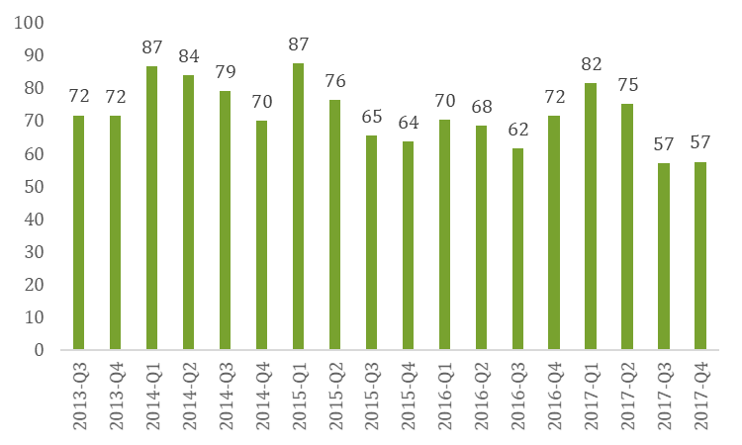
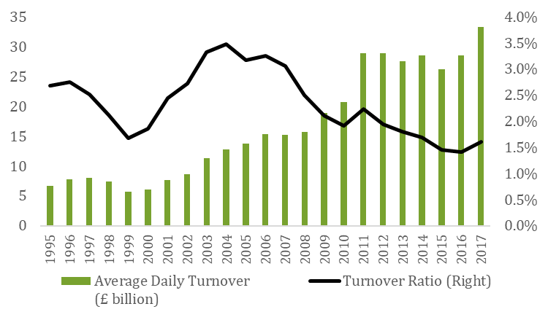

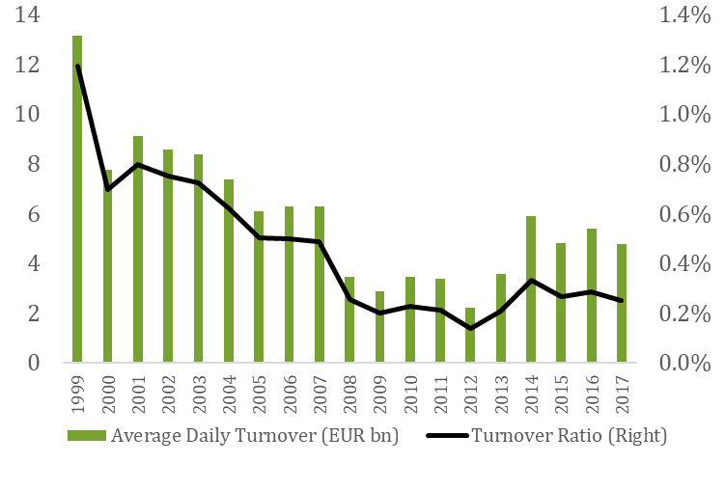
Italy: Average daily trading volume (bonds and bills) and turnover ratio. Electronic trading | Germany: Average daily trading volume (aggregated bonds and bills) and turnover ratio
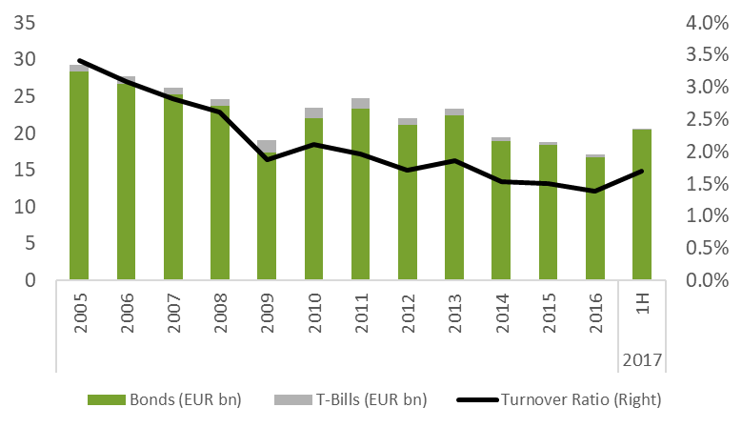

Portugal: Average daily trading volume and turnover ratio | Spain: Average daily trading volume and turnover ratio
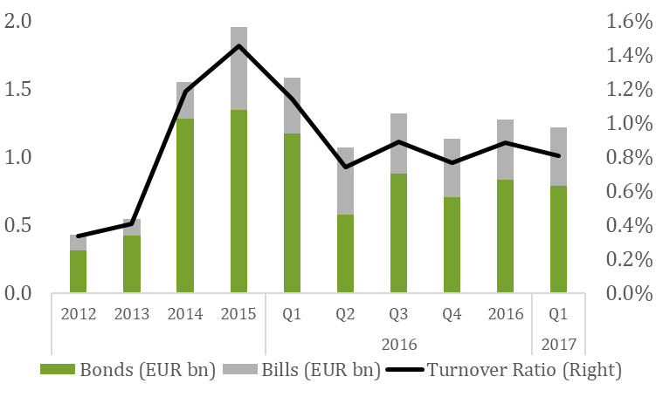
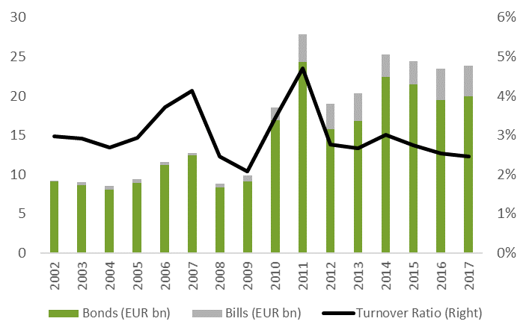

Finland: Average daily trading volume (aggregated bonds and bills) and turnover ratio | Belgium: Average daily trading volume and turnover ratio
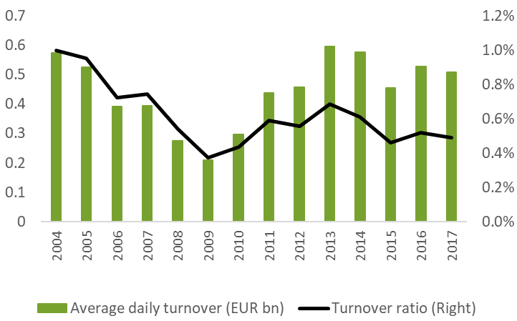
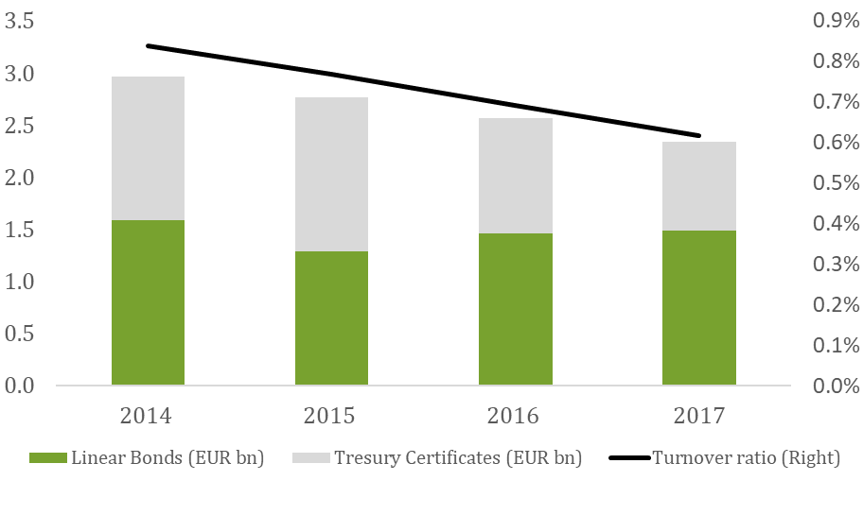

Sweden: Average daily trading volume and turnover ratio | Ireland: Average daily trading volume (aggregated bonds and bills) and turnover ratio
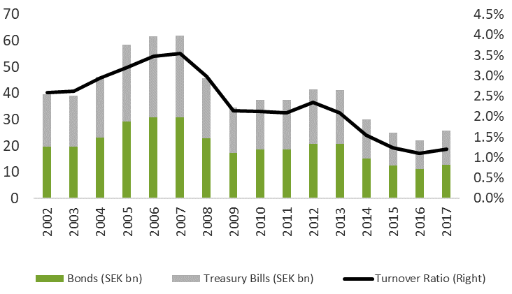
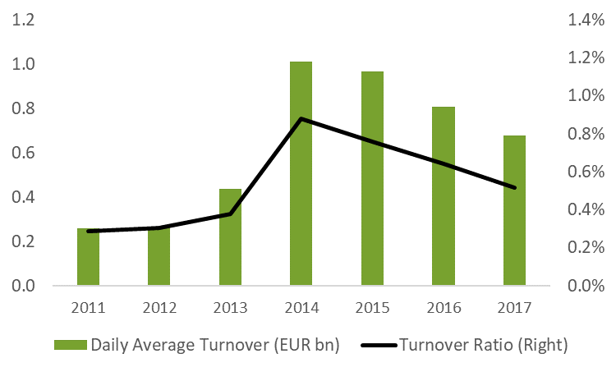

Netherlands: Average daily trading volume (bonds only) and turnover ratio | France: Average daily trading volume (bonds only) and turnover ratio
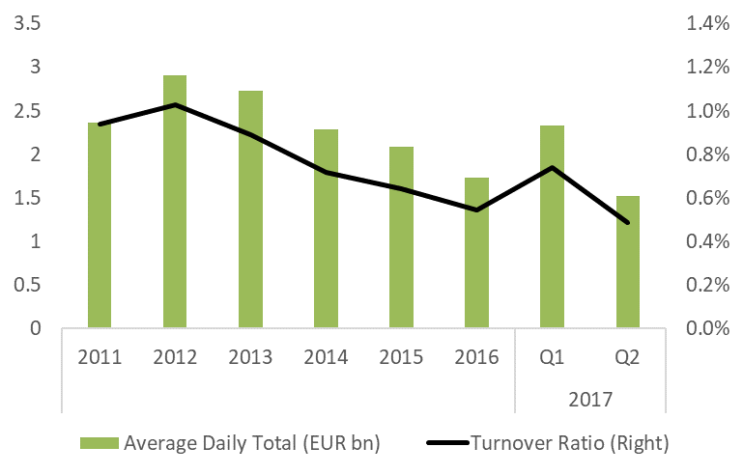
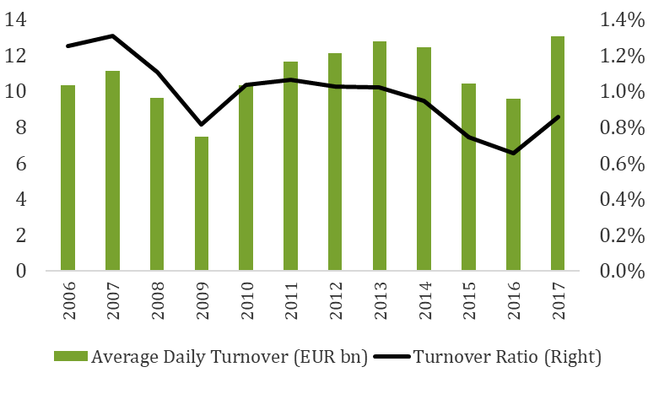

Denmark: Average daily trading volume (bonds and bills) and turnover ratio | Greece: Average daily trading volume (bonds only) and turnover ratio
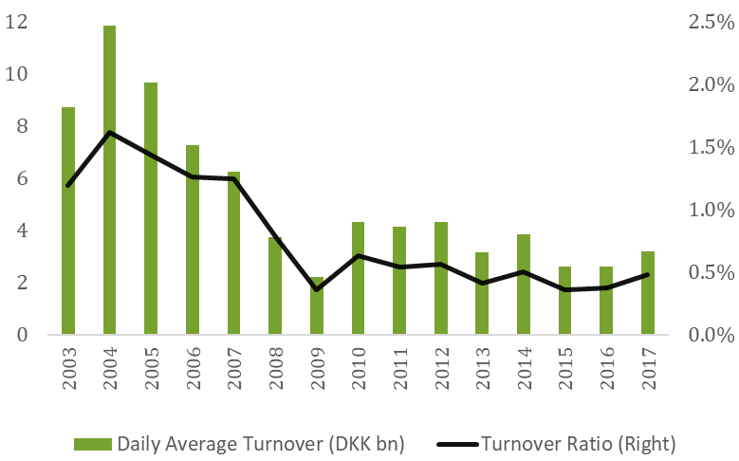
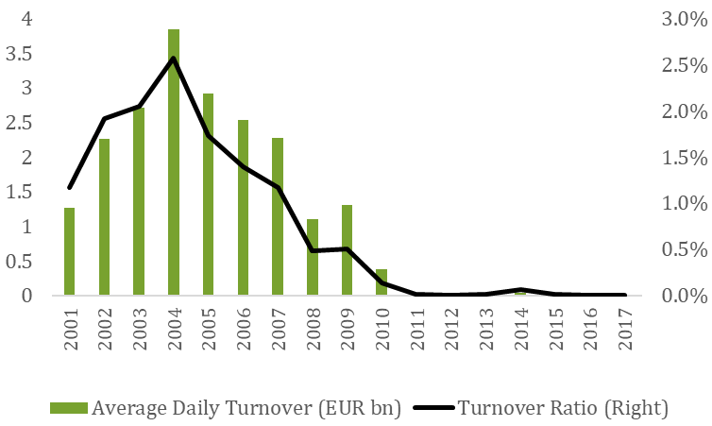

Poland: Average daily trading volume (bonds only) and turnover ratio | Hungary: Average daily trading volume and turnover ratio
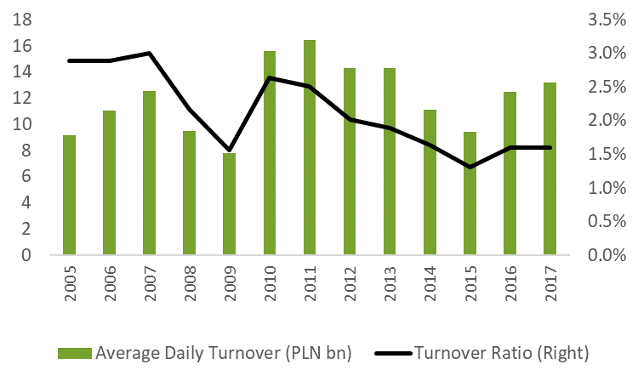
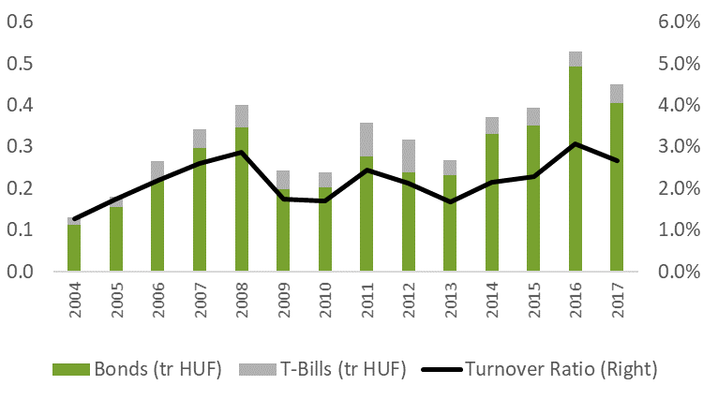

Romania: Average daily turnover ratio
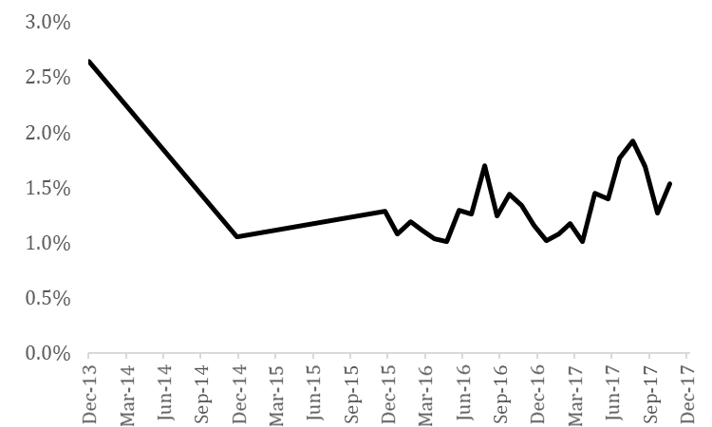

Sources: Trax- a MarketAxess company; European DMOs, Ministries of Finance, Centrals Banks and ECB

