9
5. Secondary market trading volumes and turnover ratios

United Kingdom: Average daily trading volume (bonds only) and turnover ratio | Belgium: Average daily trading volume and turnover ratio
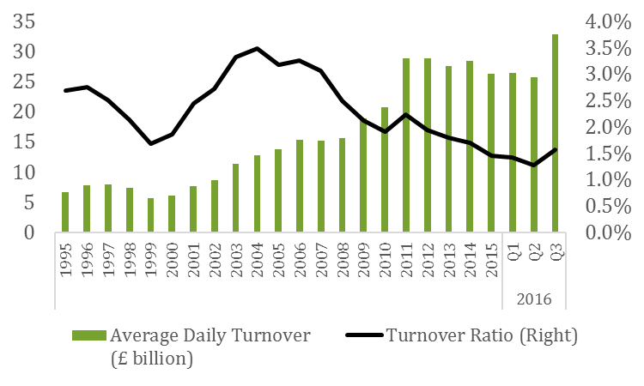
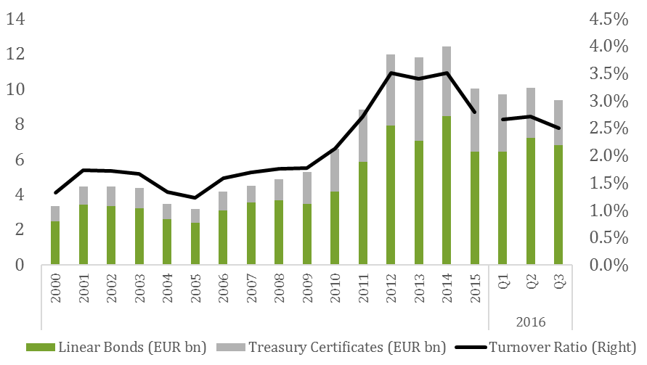

Italy: Average daily trading volume (bonds and bills) and turnover ratio. Electronic trading | Germany: Average daily trading volume (aggregated bonds and bills) and turnover ratio

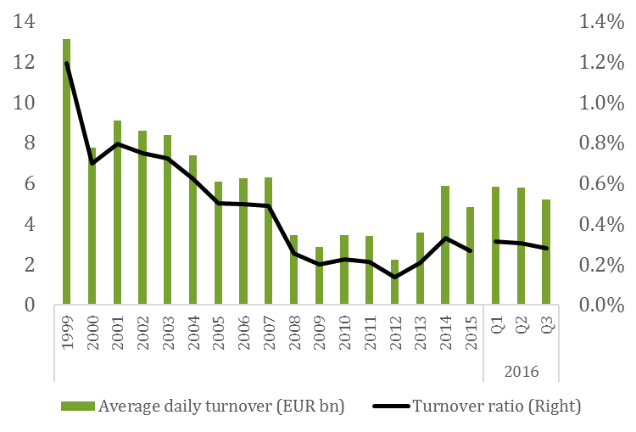

Portugal: Average daily trading volume and turnover ratio | Spain: Average daily trading volume and turnover ratio
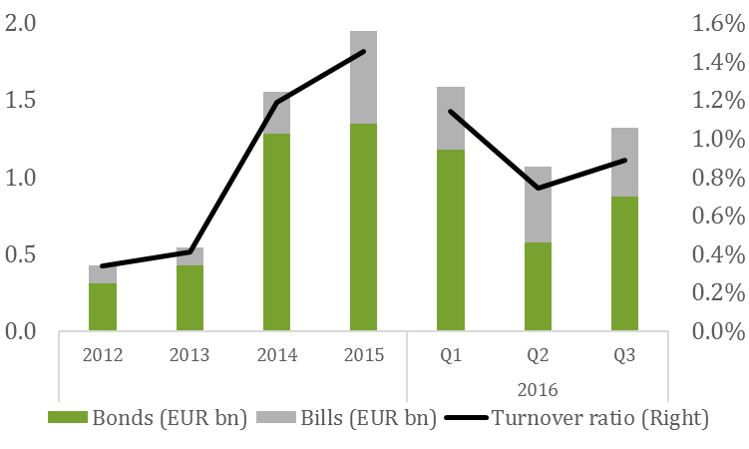
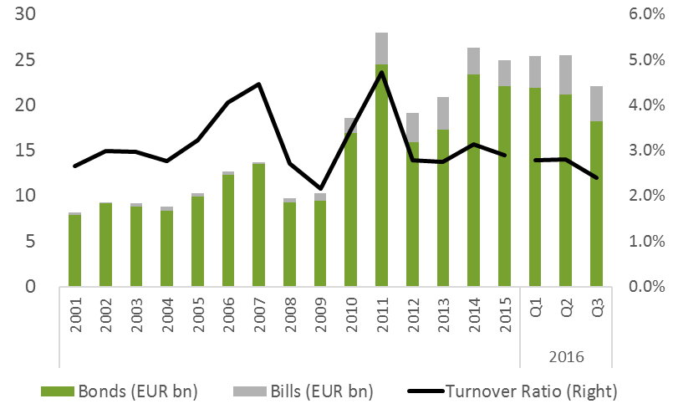

Finland: Average daily trading volume (aggregated bonds and bills) and turnover ratio | Greece: Average daily trading volume (bonds only) and turnover ratio
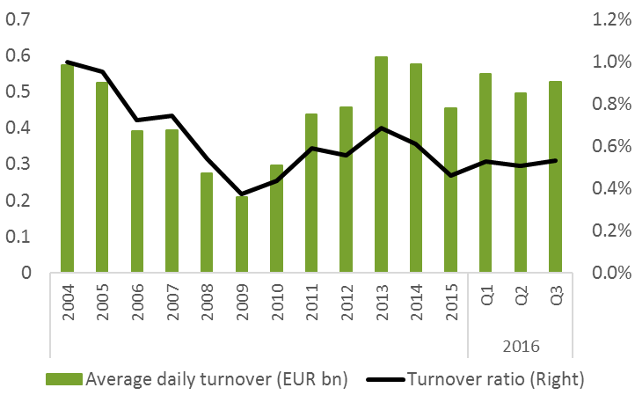
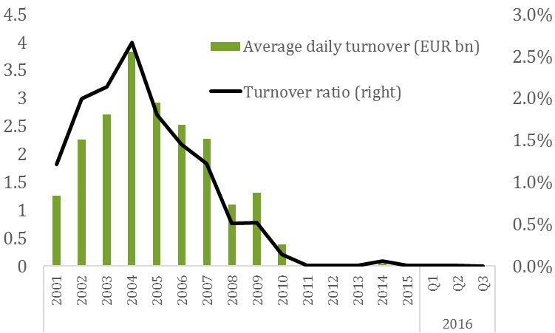

Sweden: Average daily trading volume and turnover ratio | Ireland: Average daily trading volume (aggregated bonds and bills) and turnover ratio
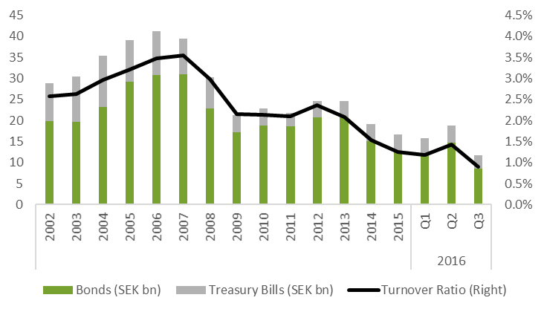
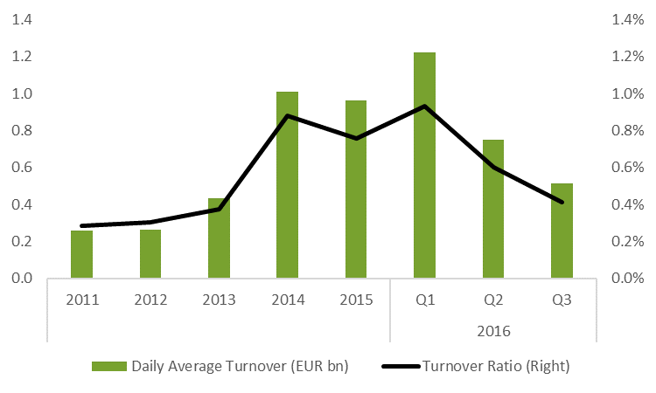

Netherlands: Average daily trading volume (bonds only) and turnover ratio | France: Average daily trading volume (bonds only) and turnover ratio
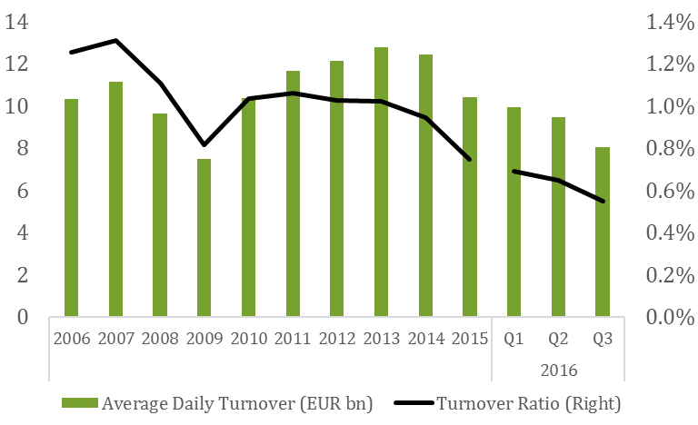

Denmark: Average daily trading volume (bonds and bills) and turnover ratio
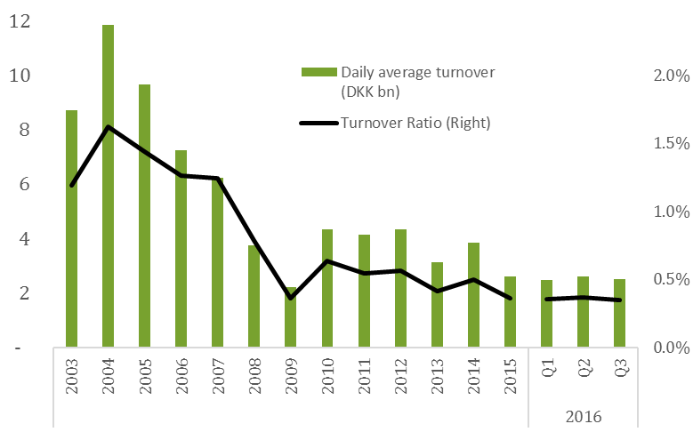

Source: European DMOs and ECB

