Table of Contents
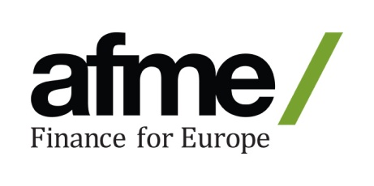
 | How Europe's capital markets interconnect
 | Supporting data

 |  | Page & Tab Number
 | 1. Capital Markets Financing
 | Corporate bond issuance | 2
 | Domestic market capitalisation of listed shares | 3
 | Size of European capital markets | 4
 | Initial Public Offerings (IPOs) | 5
 | Assets under Management | 6

 | 2. SMEs and Growth
 | Volumes of alternative finance | 7
 | Number of SMEs in the EU and the UK | 8
 | Number of listed SMEs in the EU and the UK | 8

 | 3. Economy
 | People employed in the financial services industry and related professional services | 9
 | Share of EU financial services activity | 10
 | Banks operating in the UK | 11
 | Foreign Direct Investment to the UK | 12
 | International Investment Position by type of investment: Portfolio investment | 13

 | 4. Trading and Risk Management
 | FX Trading | 14
 | EUR average daily turnover | 14
 | Geographical distribution of global OTC interest rate derivatives market turnover | 14

For any questions about our data or methodology, please contact us on julio.suarez@afme.eu

